C4.1
Back to contents
 | Chart 4.1: Global climate change indicators and climate-related damages
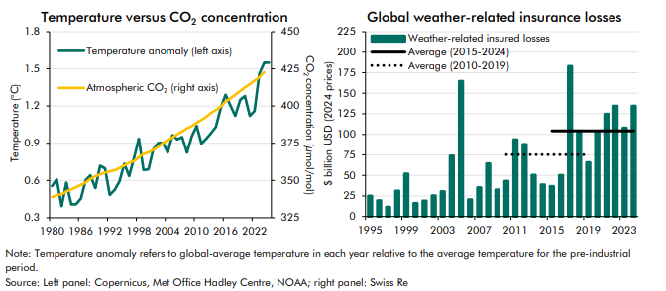

 | Temperature vs CO2 concentration | 1980 | 1981 | 1982 | 1983 | 1984 | 1985 | 1986 | 1987 | 1988 | 1989 | 1990 | 1991 | 1992 | 1993 | 1994 | 1995 | 1996 | 1997 | 1998 | 1999 | 2000 | 2001 | 2002 | 2003 | 2004 | 2005 | 2006 | 2007 | 2008 | 2009 | 2010 | 2011 | 2012 | 2013 | 2014 | 2015 | 2016 | 2017 | 2018 | 2019 | 2020 | 2021 | 2022 | 2023 | 2024 | 2025
 | Temperature anomaly (left axis) | 0.6 | 0.6 | 0.4 | 0.6 | 0.4 | 0.4 | 0.5 | 0.6 | 0.6 | 0.5 | 0.7 | 0.7 | 0.5 | 0.5 | 0.6 | 0.7 | 0.6 | 0.8 | 0.9 | 0.7 | 0.7 | 0.8 | 0.9 | 0.9 | 0.8 | 1.0 | 0.9 | 1.0 | 0.8 | 1.0 | 1.0 | 0.9 | 0.9 | 1.0 | 1.0 | 1.2 | 1.3 | 1.2 | 1.1 | 1.3 | 1.3 | 1.1 | 1.2 | 1.5 | 1.6 | 1.5
 | Atmospheric CO2 (right axis) | 338.9 | 340.1 | 340.9 | 342.5 | 344.1 | 345.5 | 347.0 | 348.7 | 351.2 | 352.8 | 354.1 | 355.4 | 356.1 | 356.8 | 358.3 | 360.2 | 361.9 | 363.1 | 365.7 | 367.8 | 369.0 | 370.6 | 372.6 | 375.2 | 377.0 | 379.0 | 381.2 | 382.9 | 385.0 | 386.5 | 388.8 | 390.6 | 392.7 | 395.4 | 397.3 | 399.7 | 403.1 | 405.2 | 407.6 | 410.1 | 412.4 | 414.7 | 417.1 | 419.4 | 422.8

 | Global weather-insured losses | 1995 | 1996 | 1997 | 1998 | 1999 | 2000 | 2001 | 2002 | 2003 | 2004 | 2005 | 2006 | 2007 | 2008 | 2009 | 2010 | 2011 | 2012 | 2013 | 2014 | 2015 | 2016 | 2017 | 2018 | 2019 | 2020 | 2021 | 2022 | 2023 | 2024
 | Weather-related insured losses | 25.2 | 19.6 | 11.7 | 31.3 | 51.9 | 16.3 | 19.2 | 25.6 | 30.5 | 73.9 | 164.8 | 20.6 | 35.4 | 64.6 | 32.7 | 43.2 | 93.7 | 87.9 | 50.5 | 38.7 | 36.8 | 50.3 | 183.0 | 102.2 | 65.8 | 102.6 | 124.7 | 134.6 | 107.9 | 134.6
 | Average (2015-2024) |  |  |  |  |  |  |  |  |  |  |  |  |  |  |  |  |  |  |  |  | 104.3 | 104.3 | 104.3 | 104.3 | 104.3 | 104.3 | 104.3 | 104.3 | 104.3 | 104.3
 | Average (2010-2019) |  |  |  |  |  |  |  |  |  |  |  |  |  |  |  | 75.2 | 75.2 | 75.2 | 75.2 | 75.2 | 75.2 | 75.2 | 75.2 | 75.2 | 75.2

C4.2
Back to contents
 | Chart 4.2: Flow of emissions and atmospheric concentration
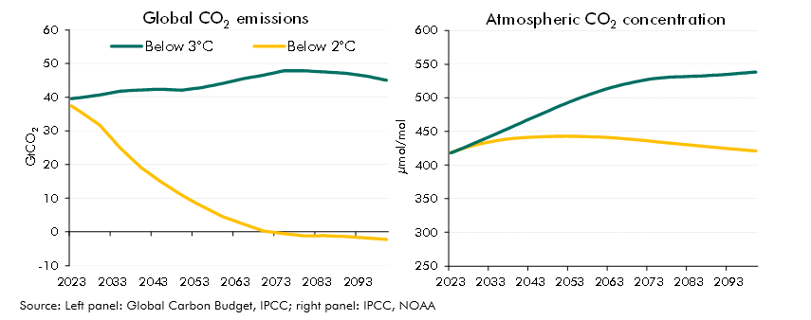

 | Global CO2 emissions (µmol/mol) | 2023 | 2024 | 2025 | 2026 | 2027 | 2028 | 2029 | 2030 | 2031 | 2032 | 2033 | 2034 | 2035 | 2036 | 2037 | 2038 | 2039 | 2040 | 2041 | 2042 | 2043 | 2044 | 2045 | 2046 | 2047 | 2048 | 2049 | 2050 | 2051 | 2052 | 2053 | 2054 | 2055 | 2056 | 2057 | 2058 | 2059 | 2060 | 2061 | 2062 | 2063 | 2064 | 2065 | 2066 | 2067 | 2068 | 2069 | 2070 | 2071 | 2072 | 2073 | 2074 | 2075 | 2076 | 2077 | 2078 | 2079 | 2080 | 2081 | 2082 | 2083 | 2084 | 2085 | 2086 | 2087 | 2088 | 2089 | 2090 | 2091 | 2092 | 2093 | 2094 | 2095 | 2096 | 2097 | 2098 | 2099 | 2100
 | Below 2°C | 37.4 | 36.7 | 35.9 | 35.0 | 34.2 | 33.3 | 32.5 | 31.6 | 30.3 | 28.9 | 27.6 | 26.2 | 24.8 | 23.7 | 22.6 | 21.4 | 20.3 | 19.2 | 18.3 | 17.4 | 16.5 | 15.7 | 14.8 | 14.0 | 13.2 | 12.4 | 11.7 | 10.9 | 10.2 | 9.6 | 8.9 | 8.2 | 7.6 | 7.0 | 6.3 | 5.7 | 5.1 | 4.5 | 4.1 | 3.6 | 3.2 | 2.8 | 2.3 | 1.9 | 1.5 | 1.1 | 0.7 | 0.2 | 0.1 | -0.1 | -0.2 | -0.4 | -0.6 | -0.7 | -0.8 | -1.0 | -1.1 | -1.2 | -1.2 | -1.2 | -1.2 | -1.2 | -1.2 | -1.2 | -1.3 | -1.3 | -1.3 | -1.4 | -1.5 | -1.6 | -1.6 | -1.7 | -1.8 | -1.9 | -2.0 | -2.1 | -2.2 | -2.3
 | Below 3°C | 39.6 | 39.7 | 39.8 | 40.0 | 40.2 | 40.4 | 40.5 | 40.7 | 40.9 | 41.2 | 41.4 | 41.6 | 41.8 | 41.9 | 42.0 | 42.0 | 42.1 | 42.2 | 42.2 | 42.3 | 42.3 | 42.3 | 42.4 | 42.3 | 42.3 | 42.2 | 42.2 | 42.1 | 42.3 | 42.4 | 42.6 | 42.7 | 42.9 | 43.1 | 43.4 | 43.6 | 43.9 | 44.1 | 44.4 | 44.7 | 45.0 | 45.2 | 45.5 | 45.7 | 45.9 | 46.2 | 46.4 | 46.6 | 46.8 | 47.1 | 47.4 | 47.6 | 47.9 | 47.9 | 47.9 | 47.9 | 47.9 | 47.9 | 47.8 | 47.7 | 47.7 | 47.6 | 47.5 | 47.4 | 47.4 | 47.3 | 47.2 | 47.1 | 47.0 | 46.8 | 46.7 | 46.5 | 46.3 | 46.1 | 45.8 | 45.6 | 45.3 | 45.0

 | Atnospheric CO2 concentration (GtCO2) | 2023 | 2024 | 2025 | 2026 | 2027 | 2028 | 2029 | 2030 | 2031 | 2032 | 2033 | 2034 | 2035 | 2036 | 2037 | 2038 | 2039 | 2040 | 2041 | 2042 | 2043 | 2044 | 2045 | 2046 | 2047 | 2048 | 2049 | 2050 | 2051 | 2052 | 2053 | 2054 | 2055 | 2056 | 2057 | 2058 | 2059 | 2060 | 2061 | 2062 | 2063 | 2064 | 2065 | 2066 | 2067 | 2068 | 2069 | 2070 | 2071 | 2072 | 2073 | 2074 | 2075 | 2076 | 2077 | 2078 | 2079 | 2080 | 2081 | 2082 | 2083 | 2084 | 2085 | 2086 | 2087 | 2088 | 2089 | 2090 | 2091 | 2092 | 2093 | 2094 | 2095 | 2096 | 2097 | 2098 | 2099 | 2100
 | 2°C | 418.6 | 420.6 | 422.5 | 424.3 | 426.1 | 427.8 | 429.3 | 430.8 | 432.2 | 433.4 | 434.6 | 435.7 | 436.6 | 437.5 | 438.3 | 439.1 | 439.7 | 440.2 | 440.7 | 441.0 | 441.3 | 441.6 | 441.9 | 442.1 | 442.3 | 442.5 | 442.6 | 442.7 | 442.8 | 442.8 | 442.7 | 442.7 | 442.5 | 442.4 | 442.2 | 442.1 | 441.9 | 441.7 | 441.4 | 441.1 | 440.8 | 440.4 | 440.0 | 439.5 | 439.1 | 438.5 | 438.0 | 437.5 | 436.9 | 436.3 | 435.8 | 435.2 | 434.6 | 434.0 | 433.4 | 432.8 | 432.2 | 431.6 | 431.1 | 430.5 | 430.0 | 429.4 | 428.9 | 428.3 | 427.7 | 427.1 | 426.6 | 426.0 | 425.5 | 424.9 | 424.4 | 423.9 | 423.4 | 422.9 | 422.4 | 421.9 | 421.4 | 420.9
 | 3°C | 417.9 | 420.3 | 422.7 | 425.1 | 427.5 | 430.0 | 432.5 | 435.0 | 437.6 | 440.1 | 442.7 | 445.2 | 447.8 | 450.4 | 453.0 | 455.6 | 458.2 | 460.8 | 463.5 | 466.1 | 468.7 | 471.2 | 473.8 | 476.3 | 478.9 | 481.4 | 484.0 | 486.5 | 489.1 | 491.5 | 493.9 | 496.2 | 498.5 | 500.6 | 502.8 | 504.8 | 506.9 | 508.9 | 510.8 | 512.6 | 514.4 | 516.1 | 517.6 | 519.1 | 520.5 | 521.8 | 523.1 | 524.3 | 525.5 | 526.5 | 527.5 | 528.3 | 529.0 | 529.6 | 530.1 | 530.6 | 530.9 | 531.1 | 531.3 | 531.5 | 531.7 | 531.9 | 532.2 | 532.5 | 532.8 | 533.1 | 533.4 | 533.7 | 534.1 | 534.6 | 535.0 | 535.5 | 536.0 | 536.4 | 536.9 | 537.4 | 537.9 | 538.4

C4.3
Back to contents
 | Chart 4.3: Temperature pathways
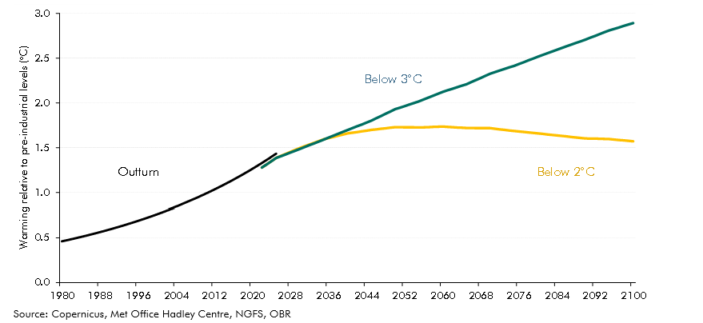

 |  | Below 2°C | Below 3°C | Outturn
 | 1980 |  |  | 0.6
 | 1981 |  |  | 0.6
 | 1982 |  |  | 0.4
 | 1983 |  |  | 0.6
 | 1984 |  |  | 0.4
 | 1985 |  |  | 0.4
 | 1986 |  |  | 0.5
 | 1987 |  |  | 0.6
 | 1988 |  |  | 0.6
 | 1989 |  |  | 0.5
 | 1990 |  |  | 0.7
 | 1991 |  |  | 0.7
 | 1992 |  |  | 0.5
 | 1993 |  |  | 0.5
 | 1994 |  |  | 0.6
 | 1995 |  |  | 0.7
 | 1996 |  |  | 0.6
 | 1997 |  |  | 0.8
 | 1998 |  |  | 0.9
 | 1999 |  |  | 0.7
 | 2000 |  |  | 0.7
 | 2001 |  |  | 0.8
 | 2002 |  |  | 0.9
 | 2003 |  |  | 0.9
 | 2004 |  |  | 0.8
 | 2005 |  |  | 1.0
 | 2006 |  |  | 0.9
 | 2007 |  |  | 1.0
 | 2008 |  |  | 0.8
 | 2009 |  |  | 1.0
 | 2010 |  |  | 1.0
 | 2011 |  |  | 0.9
 | 2012 |  |  | 0.9
 | 2013 |  |  | 1.0
 | 2014 |  |  | 1.0
 | 2015 |  |  | 1.2
 | 2016 |  |  | 1.3
 | 2017 |  |  | 1.2
 | 2018 |  |  | 1.1
 | 2019 |  |  | 1.3
 | 2020 |  |  | 1.3
 | 2021 |  |  | 1.1
 | 2022 | 1.3 | 1.3 | 1.2
 | 2023 | 1.3 | 1.3 | 1.5
 | 2024 | 1.4 | 1.3 | 1.6
 | 2025 | 1.4 | 1.4 | 1.5
 | 2026 | 1.4 | 1.4
 | 2027 | 1.4 | 1.4
 | 2028 | 1.5 | 1.4
 | 2029 | 1.5 | 1.5
 | 2030 | 1.5 | 1.5
 | 2031 | 1.5 | 1.5
 | 2032 | 1.5 | 1.5
 | 2033 | 1.6 | 1.5
 | 2034 | 1.6 | 1.6
 | 2035 | 1.6 | 1.6
 | 2036 | 1.6 | 1.6
 | 2037 | 1.6 | 1.6
 | 2038 | 1.6 | 1.7
 | 2039 | 1.6 | 1.7
 | 2040 | 1.7 | 1.7
 | 2041 | 1.7 | 1.7
 | 2042 | 1.7 | 1.7
 | 2043 | 1.7 | 1.8
 | 2044 | 1.7 | 1.8
 | 2045 | 1.7 | 1.8
 | 2046 | 1.7 | 1.8
 | 2047 | 1.7 | 1.9
 | 2048 | 1.7 | 1.9
 | 2049 | 1.7 | 1.9
 | 2050 | 1.7 | 1.9
 | 2051 | 1.7 | 1.9
 | 2052 | 1.7 | 2.0
 | 2053 | 1.7 | 2.0
 | 2054 | 1.7 | 2.0
 | 2055 | 1.7 | 2.0
 | 2056 | 1.7 | 2.0
 | 2057 | 1.7 | 2.1
 | 2058 | 1.7 | 2.1
 | 2059 | 1.7 | 2.1
 | 2060 | 1.7 | 2.1
 | 2061 | 1.7 | 2.1
 | 2062 | 1.7 | 2.2
 | 2063 | 1.7 | 2.2
 | 2064 | 1.7 | 2.2
 | 2065 | 1.7 | 2.2
 | 2066 | 1.7 | 2.2
 | 2067 | 1.7 | 2.3
 | 2068 | 1.7 | 2.3
 | 2069 | 1.7 | 2.3
 | 2070 | 1.7 | 2.3
 | 2071 | 1.7 | 2.3
 | 2072 | 1.7 | 2.4
 | 2073 | 1.7 | 2.4
 | 2074 | 1.7 | 2.4
 | 2075 | 1.7 | 2.4
 | 2076 | 1.7 | 2.4
 | 2077 | 1.7 | 2.5
 | 2078 | 1.7 | 2.5
 | 2079 | 1.7 | 2.5
 | 2080 | 1.7 | 2.5
 | 2081 | 1.7 | 2.5
 | 2082 | 1.6 | 2.6
 | 2083 | 1.6 | 2.6
 | 2084 | 1.6 | 2.6
 | 2085 | 1.6 | 2.6
 | 2086 | 1.6 | 2.6
 | 2087 | 1.6 | 2.7
 | 2088 | 1.6 | 2.7
 | 2089 | 1.6 | 2.7
 | 2090 | 1.6 | 2.7
 | 2091 | 1.6 | 2.7
 | 2092 | 1.6 | 2.7
 | 2093 | 1.6 | 2.8
 | 2094 | 1.6 | 2.8
 | 2095 | 1.6 | 2.8
 | 2096 | 1.6 | 2.8
 | 2097 | 1.6 | 2.8
 | 2098 | 1.6 | 2.9
 | 2099 | 1.6 | 2.9
 | 2100 | 1.6 | 2.9

C4.4
Back to contents
 | Chart 4.4: Impact of climate change damage on GDP
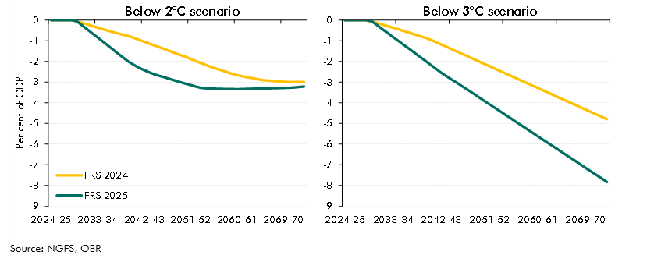

 | Below 2°C | 2024-25 | 2025-26 | 2026-27 | 2027-28 | 2028-29 | 2029-30 | 2030-31 | 2031-32 | 2032-33 | 2033-34 | 2034-35 | 2035-36 | 2036-37 | 2037-38 | 2038-39 | 2039-40 | 2040-41 | 2041-42 | 2042-43 | 2043-44 | 2044-45 | 2045-46 | 2046-47 | 2047-48 | 2048-49 | 2049-50 | 2050-51 | 2051-52 | 2052-53 | 2053-54 | 2054-55 | 2055-56 | 2056-57 | 2057-58 | 2058-59 | 2059-60 | 2060-61 | 2061-62 | 2062-63 | 2063-64 | 2064-65 | 2065-66 | 2066-67 | 2067-68 | 2068-69 | 2069-70 | 2070-71 | 2071-72 | 2072-73 | 2073-74
 | FRS 2025 | 0.0 | 0.0 | 0.0 | 0.0 | 0.0 | 0.0 | -0.2 | -0.4 | -0.6 | -0.8 | -1.0 | -1.2 | -1.4 | -1.6 | -1.8 | -2.0 | -2.2 | -2.3 | -2.4 | -2.5 | -2.6 | -2.7 | -2.8 | -2.8 | -2.9 | -3.0 | -3.1 | -3.1 | -3.2 | -3.3 | -3.3 | -3.3 | -3.3 | -3.3 | -3.3 | -3.3 | -3.3 | -3.3 | -3.3 | -3.3 | -3.3 | -3.3 | -3.3 | -3.3 | -3.3 | -3.3 | -3.3 | -3.3 | -3.2 | -3.2
 | FRS 2024 | 0.0 | 0.0 | 0.0 | 0.0 | 0.0 | -0.1 | -0.1 | -0.2 | -0.3 | -0.4 | -0.4 | -0.5 | -0.6 | -0.6 | -0.7 | -0.8 | -0.9 | -0.9 | -1.0 | -1.1 | -1.2 | -1.3 | -1.4 | -1.5 | -1.6 | -1.7 | -1.8 | -1.9 | -2.0 | -2.1 | -2.2 | -2.3 | -2.4 | -2.4 | -2.5 | -2.6 | -2.7 | -2.7 | -2.8 | -2.8 | -2.9 | -2.9 | -2.9 | -2.9 | -3.0 | -3.0 | -3.0 | -3.0 | -3.0 | -3.0

 | Below 3°C | 2024-25 | 2025-26 | 2026-27 | 2027-28 | 2028-29 | 2029-30 | 2030-31 | 2031-32 | 2032-33 | 2033-34 | 2034-35 | 2035-36 | 2036-37 | 2037-38 | 2038-39 | 2039-40 | 2040-41 | 2041-42 | 2042-43 | 2043-44 | 2044-45 | 2045-46 | 2046-47 | 2047-48 | 2048-49 | 2049-50 | 2050-51 | 2051-52 | 2052-53 | 2053-54 | 2054-55 | 2055-56 | 2056-57 | 2057-58 | 2058-59 | 2059-60 | 2060-61 | 2061-62 | 2062-63 | 2063-64 | 2064-65 | 2065-66 | 2066-67 | 2067-68 | 2068-69 | 2069-70 | 2070-71 | 2071-72 | 2072-73 | 2073-74
 | FRS 2025 | 0.0 | 0.0 | 0.0 | 0.0 | 0.0 | 0.0 | -0.2 | -0.4 | -0.6 | -0.8 | -1.0 | -1.2 | -1.4 | -1.6 | -1.8 | -2.0 | -2.2 | -2.3 | -2.5 | -2.7 | -2.9 | -3.0 | -3.2 | -3.4 | -3.6 | -3.7 | -3.9 | -4.1 | -4.2 | -4.4 | -4.6 | -4.8 | -4.9 | -5.1 | -5.3 | -5.4 | -5.6 | -5.8 | -6.0 | -6.1 | -6.3 | -6.5 | -6.6 | -6.8 | -7.0 | -7.2 | -7.3 | -7.5 | -7.7 | -7.8
 | FRS 2024 | 0.0 | 0.0 | 0.0 | 0.0 | 0.0 | -0.1 | -0.1 | -0.2 | -0.3 | -0.4 | -0.4 | -0.5 | -0.6 | -0.7 | -0.8 | -0.8 | -0.9 | -1.1 | -1.2 | -1.3 | -1.4 | -1.5 | -1.6 | -1.8 | -1.9 | -2.0 | -2.1 | -2.2 | -2.3 | -2.5 | -2.6 | -2.7 | -2.8 | -2.9 | -3.0 | -3.2 | -3.3 | -3.4 | -3.5 | -3.6 | -3.7 | -3.9 | -4.0 | -4.1 | -4.2 | -4.3 | -4.4 | -4.6 | -4.7 | -4.8

C4.5
Back to contents
 | Chart 4.5: Impact of indirect fiscal costs of climate damage on primary borrowing

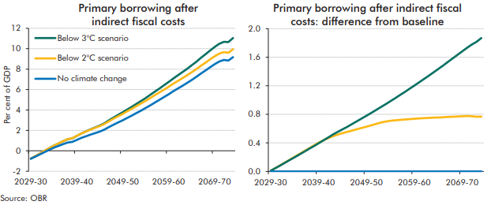

 | Primary borrowing (% of GDP) | 2029-30 | 2030-31 | 2031-32 | 2032-33 | 2033-34 | 2034-35 | 2035-36 | 2036-37 | 2037-38 | 2038-39 | 2039-40 | 2040-41 | 2041-42 | 2042-43 | 2043-44 | 2044-45 | 2045-46 | 2046-47 | 2047-48 | 2048-49 | 2049-50 | 2050-51 | 2051-52 | 2052-53 | 2053-54 | 2054-55 | 2055-56 | 2056-57 | 2057-58 | 2058-59 | 2059-60 | 2060-61 | 2061-62 | 2062-63 | 2063-64 | 2064-65 | 2065-66 | 2066-67 | 2067-68 | 2068-69 | 2069-70 | 2070-71 | 2071-72 | 2072-73 | 2073-74
 | No climate change | -0.8 | -0.6 | -0.3 | -0.1 | 0.1 | 0.3 | 0.5 | 0.7 | 0.8 | 0.9 | 1.1 | 1.3 | 1.4 | 1.6 | 1.7 | 1.9 | 2.1 | 2.3 | 2.6 | 2.8 | 3.0 | 3.2 | 3.5 | 3.7 | 3.9 | 4.2 | 4.5 | 4.7 | 5.0 | 5.3 | 5.5 | 5.8 | 6.1 | 6.4 | 6.6 | 6.9 | 7.2 | 7.6 | 7.9 | 8.2 | 8.5 | 8.7 | 8.9 | 8.8 | 9.2
 | Below 2°C scenario | -0.8 | -0.5 | -0.3 | 0.0 | 0.3 | 0.5 | 0.7 | 0.9 | 1.1 | 1.2 | 1.5 | 1.7 | 1.9 | 2.1 | 2.3 | 2.4 | 2.6 | 2.9 | 3.1 | 3.4 | 3.6 | 3.9 | 4.1 | 4.4 | 4.6 | 4.9 | 5.2 | 5.4 | 5.7 | 6.0 | 6.3 | 6.6 | 6.8 | 7.1 | 7.4 | 7.7 | 8.0 | 8.3 | 8.6 | 8.9 | 9.3 | 9.5 | 9.7 | 9.6 | 9.9
 | Below 3°C scenario | -0.8 | -0.5 | -0.3 | 0.0 | 0.3 | 0.5 | 0.7 | 0.9 | 1.1 | 1.2 | 1.5 | 1.7 | 1.9 | 2.1 | 2.3 | 2.5 | 2.7 | 3.0 | 3.3 | 3.5 | 3.8 | 4.0 | 4.3 | 4.6 | 4.9 | 5.2 | 5.5 | 5.8 | 6.1 | 6.4 | 6.7 | 7.1 | 7.4 | 7.7 | 8.0 | 8.4 | 8.7 | 9.1 | 9.5 | 9.8 | 10.2 | 10.5 | 10.7 | 10.6 | 11.0

 | Primary borrowing (% of GDP) - difference from baseline | 2029-30 | 2030-31 | 2031-32 | 2032-33 | 2033-34 | 2034-35 | 2035-36 | 2036-37 | 2037-38 | 2038-39 | 2039-40 | 2040-41 | 2041-42 | 2042-43 | 2043-44 | 2044-45 | 2045-46 | 2046-47 | 2047-48 | 2048-49 | 2049-50 | 2050-51 | 2051-52 | 2052-53 | 2053-54 | 2054-55 | 2055-56 | 2056-57 | 2057-58 | 2058-59 | 2059-60 | 2060-61 | 2061-62 | 2062-63 | 2063-64 | 2064-65 | 2065-66 | 2066-67 | 2067-68 | 2068-69 | 2069-70 | 2070-71 | 2071-72 | 2072-73 | 2073-74
 | No additional climate change | 0.0 | 0.0 | 0.0 | 0.0 | 0.0 | 0.0 | 0.0 | 0.0 | 0.0 | 0.0 | 0.0 | 0.0 | 0.0 | 0.0 | 0.0 | 0.0 | 0.0 | 0.0 | 0.0 | 0.0 | 0.0 | 0.0 | 0.0 | 0.0 | 0.0 | 0.0 | 0.0 | 0.0 | 0.0 | 0.0 | 0.0 | 0.0 | 0.0 | 0.0 | 0.0 | 0.0 | 0.0 | 0.0 | 0.0 | 0.0 | 0.0 | 0.0 | 0.0 | 0.0 | 0.0
 | Below 2°C scenario | 0.0 | 0.0 | 0.1 | 0.1 | 0.2 | 0.2 | 0.2 | 0.3 | 0.3 | 0.4 | 0.4 | 0.4 | 0.5 | 0.5 | 0.5 | 0.5 | 0.6 | 0.6 | 0.6 | 0.6 | 0.6 | 0.6 | 0.7 | 0.7 | 0.7 | 0.7 | 0.7 | 0.7 | 0.7 | 0.7 | 0.7 | 0.7 | 0.7 | 0.7 | 0.8 | 0.8 | 0.8 | 0.8 | 0.8 | 0.8 | 0.8 | 0.8 | 0.8 | 0.8 | 0.8
 | Below 3°C scenario | 0.0 | 0.0 | 0.1 | 0.1 | 0.2 | 0.2 | 0.2 | 0.3 | 0.3 | 0.4 | 0.4 | 0.4 | 0.5 | 0.5 | 0.6 | 0.6 | 0.6 | 0.7 | 0.7 | 0.7 | 0.8 | 0.8 | 0.9 | 0.9 | 0.9 | 1.0 | 1.0 | 1.1 | 1.1 | 1.2 | 1.2 | 1.2 | 1.3 | 1.3 | 1.4 | 1.4 | 1.5 | 1.5 | 1.6 | 1.6 | 1.7 | 1.7 | 1.8 | 1.8 | 1.9

C4.6
Back to contents
 | Chart 4.6: Additional public sector net borrowing from climate damage costs
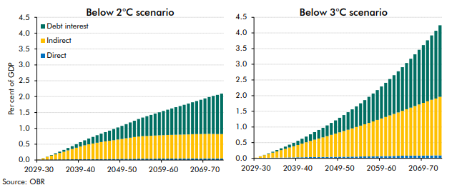

 | Below 2°C scenario (difference to baseline) | 2029-30 | 2030-31 | 2031-32 | 2032-33 | 2033-34 | 2034-35 | 2035-36 | 2036-37 | 2037-38 | 2038-39 | 2039-40 | 2040-41 | 2041-42 | 2042-43 | 2043-44 | 2044-45 | 2045-46 | 2046-47 | 2047-48 | 2048-49 | 2049-50 | 2050-51 | 2051-52 | 2052-53 | 2053-54 | 2054-55 | 2055-56 | 2056-57 | 2057-58 | 2058-59 | 2059-60 | 2060-61 | 2061-62 | 2062-63 | 2063-64 | 2064-65 | 2065-66 | 2066-67 | 2067-68 | 2068-69 | 2069-70 | 2070-71 | 2071-72 | 2072-73 | 2073-74
 | Direct | 0.0 | 0.0 | 0.0 | 0.0 | 0.0 | 0.0 | 0.0 | 0.0 | 0.0 | 0.0 | 0.0 | 0.0 | 0.0 | 0.0 | 0.0 | 0.0 | 0.0 | 0.0 | 0.0 | 0.0 | 0.0 | 0.0 | 0.0 | 0.0 | 0.0 | 0.0 | 0.0 | 0.0 | 0.0 | 0.0 | 0.0 | 0.0 | 0.0 | 0.0 | 0.1 | 0.1 | 0.1 | 0.1 | 0.1 | 0.1 | 0.1 | 0.1 | 0.1 | 0.1 | 0.1
 | Indirect | 0.0 | 0.0 | 0.1 | 0.1 | 0.2 | 0.2 | 0.2 | 0.3 | 0.3 | 0.4 | 0.4 | 0.4 | 0.5 | 0.5 | 0.5 | 0.5 | 0.6 | 0.6 | 0.6 | 0.6 | 0.6 | 0.6 | 0.7 | 0.7 | 0.7 | 0.7 | 0.7 | 0.7 | 0.7 | 0.7 | 0.7 | 0.7 | 0.7 | 0.7 | 0.8 | 0.8 | 0.8 | 0.8 | 0.8 | 0.8 | 0.8 | 0.8 | 0.8 | 0.8 | 0.8
 | Debt interest | 0.0 | 0.0 | 0.0 | 0.0 | 0.0 | 0.0 | 0.1 | 0.1 | 0.1 | 0.1 | 0.1 | 0.2 | 0.2 | 0.2 | 0.2 | 0.3 | 0.3 | 0.3 | 0.4 | 0.4 | 0.4 | 0.4 | 0.5 | 0.5 | 0.6 | 0.6 | 0.6 | 0.7 | 0.7 | 0.7 | 0.8 | 0.8 | 0.8 | 0.9 | 0.9 | 0.9 | 1.0 | 1.0 | 1.0 | 1.1 | 1.1 | 1.2 | 1.2 | 1.2 | 1.3

 | Below 3°C scenario (difference to baseline) | 2029-30 | 2030-31 | 2031-32 | 2032-33 | 2033-34 | 2034-35 | 2035-36 | 2036-37 | 2037-38 | 2038-39 | 2039-40 | 2040-41 | 2041-42 | 2042-43 | 2043-44 | 2044-45 | 2045-46 | 2046-47 | 2047-48 | 2048-49 | 2049-50 | 2050-51 | 2051-52 | 2052-53 | 2053-54 | 2054-55 | 2055-56 | 2056-57 | 2057-58 | 2058-59 | 2059-60 | 2060-61 | 2061-62 | 2062-63 | 2063-64 | 2064-65 | 2065-66 | 2066-67 | 2067-68 | 2068-69 | 2069-70 | 2070-71 | 2071-72 | 2072-73 | 2073-74
 | Direct | 0.0 | 0.0 | 0.0 | 0.0 | 0.0 | 0.0 | 0.0 | 0.0 | 0.0 | 0.0 | 0.0 | 0.0 | 0.0 | 0.0 | 0.0 | 0.0 | 0.0 | 0.0 | 0.0 | 0.0 | 0.0 | 0.1 | 0.1 | 0.1 | 0.1 | 0.1 | 0.1 | 0.1 | 0.1 | 0.1 | 0.1 | 0.1 | 0.1 | 0.1 | 0.1 | 0.1 | 0.1 | 0.1 | 0.1 | 0.1 | 0.1 | 0.1 | 0.1 | 0.1 | 0.1
 | Indirect | 0.0 | 0.0 | 0.1 | 0.1 | 0.2 | 0.2 | 0.2 | 0.3 | 0.3 | 0.4 | 0.4 | 0.4 | 0.5 | 0.5 | 0.6 | 0.6 | 0.6 | 0.7 | 0.7 | 0.7 | 0.8 | 0.8 | 0.9 | 0.9 | 0.9 | 1.0 | 1.0 | 1.1 | 1.1 | 1.2 | 1.2 | 1.2 | 1.3 | 1.3 | 1.4 | 1.4 | 1.5 | 1.5 | 1.6 | 1.6 | 1.7 | 1.7 | 1.8 | 1.8 | 1.9
 | Debt interest | 0.0 | 0.0 | 0.0 | 0.0 | 0.0 | 0.0 | 0.1 | 0.1 | 0.1 | 0.1 | 0.1 | 0.2 | 0.2 | 0.2 | 0.2 | 0.3 | 0.3 | 0.3 | 0.4 | 0.4 | 0.5 | 0.5 | 0.6 | 0.6 | 0.7 | 0.7 | 0.8 | 0.8 | 0.9 | 1.0 | 1.0 | 1.1 | 1.2 | 1.2 | 1.3 | 1.4 | 1.5 | 1.6 | 1.6 | 1.7 | 1.8 | 1.9 | 2.1 | 2.2 | 2.3

C4.7
Back to contents
 | Chart 4.7: Change in the estimated increase in public sector net debt due to climate change damage by 2073-74 in the below 3°C scenario

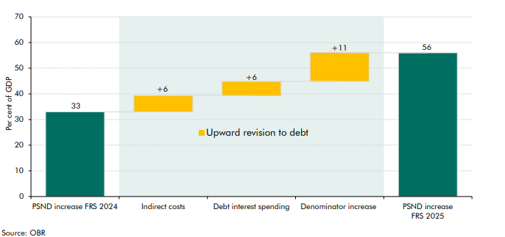

 | Below 3°C scenario (increase in debt, % of GDP) | FRS 2024 | FRS 2025 | Differences
 | Total net effect | 33 | 56 | 23
 | Indirect effects |  |  | 6
 | Debt interest spending |  |  | 6
 | Denominator effect |  |  | 11

C4.8
Back to contents
 | Chart 4.8: CCC estimates of the whole-economy costs of the balanced pathway
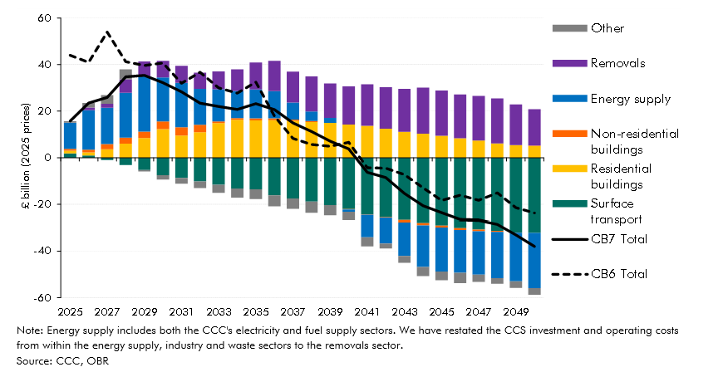

 |  | 2025 | 2026 | 2027 | 2028 | 2029 | 2030 | 2031 | 2032 | 2033 | 2034 | 2035 | 2036 | 2037 | 2038 | 2039 | 2040 | 2041 | 2042 | 2043 | 2044 | 2045 | 2046 | 2047 | 2048 | 2049 | 2050
 | Surface transport | 2 | 1 | -1 | -3 | -5 | -7 | -9 | -10 | -12 | -13 | -14 | -16 | -18 | -19 | -20 | -22 | -24 | -26 | -27 | -28 | -29 | -30 | -31 | -31 | -32 | -32
 | Residential buildings | 1 | 1 | 4 | 6 | 8 | 12 | 10 | 11 | 15 | 16 | 16 | 16 | 16 | 15 | 15 | 14 | 14 | 12 | 11 | 10 | 9 | 8 | 7 | 6 | 5 | 5
 | Non-residential buildings | 1 | 1 | 2 | 3 | 3 | 3 | 4 | 3 | 1 | 1 | 1 | 1 | 1 | 0 | 0 | 0 | 0 | 0 | -1 | -1 | -1 | -1 | -1 | 0 | 0 | 0
 | Energy supply | 11 | 17 | 16 | 19 | 24 | 19 | 19 | 16 | 14 | 12 | 12 | 12 | 7 | 4 | 2 | -1 | -9 | -11 | -14 | -18 | -19 | -18 | -19 | -20 | -21 | -24
 | Removals | 0 | 1 | 2 | 6 | 6 | 7 | 7 | 7 | 8 | 9 | 12 | 13 | 13 | 15 | 15 | 16 | 18 | 18 | 19 | 20 | 19 | 19 | 19 | 19 | 18 | 16
 | Other | 1 | 2 | 4 | 4 | -1 | -2 | -3 | -3 | -3 | -4 | -4 | -5 | -5 | -5 | -4 | -4 | -4 | -2 | -3 | -4 | -4 | -4 | -3 | -2 | -3 | -3
 | CB7 Total | 16 | 24 | 26 | 35 | 35 | 32 | 28 | 23 | 22 | 21 | 23 | 21 | 15 | 11 | 7 | 4 | -6 | -9 | -15 | -21 | -24 | -26 | -27 | -28 | -33 | -38
 | CB6 Total | 44 | 41 | 54 | 41 | 40 | 41 | 32 | 37 | 30 | 28 | 32 | 18 | 8 | 6 | 5 | 7 | -4 | -4 | -7 | -13 | -18 | -16 | -18 | -15 | -21 | -24

C4.9
Back to contents
 | Chart 4.9: Public sector net zero transition investment (central scenario)

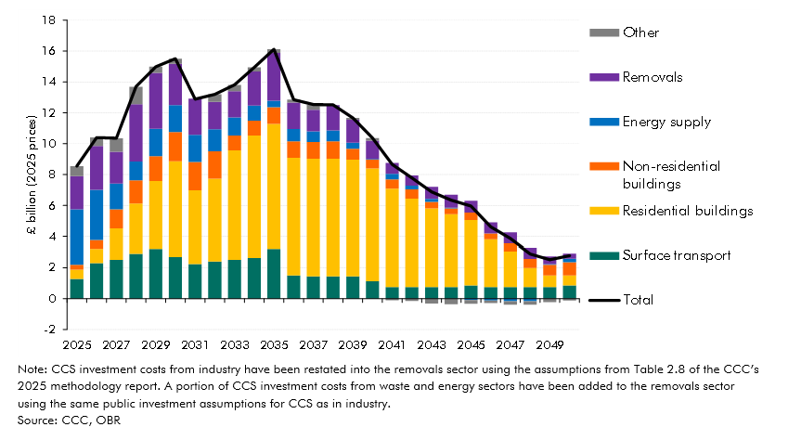

 |  | 2025 | 2026 | 2027 | 2028 | 2029 | 2030 | 2031 | 2032 | 2033 | 2034 | 2035 | 2036 | 2037 | 2038 | 2039 | 2040 | 2041 | 2042 | 2043 | 2044 | 2045 | 2046 | 2047 | 2048 | 2049 | 2050
 | Energy supply | 3.5 | 3.3 | 1.7 | 1.2 | 1.8 | 1.7 | 1.8 | 1.4 | 1.2 | 1.0 | 0.4 | 0.8 | 0.7 | 0.7 | 0.4 | 0.0 | 0.4 | 0.2 | 0.2 | 0.1 | -0.1 | -0.1 | -0.2 | -0.2 | 0.0 | 0.2
 | Residential buildings | 0.6 | 0.9 | 2.0 | 3.2 | 4.4 | 6.2 | 4.7 | 5.3 | 7.0 | 7.9 | 8.1 | 7.6 | 7.6 | 7.6 | 7.5 | 7.3 | 6.3 | 5.7 | 5.0 | 4.7 | 4.2 | 3.1 | 2.3 | 1.2 | 0.8 | 0.6
 | Non-residential buildings | 0.3 | 0.5 | 1.2 | 1.5 | 1.6 | 1.9 | 1.8 | 1.8 | 1.0 | 1.0 | 1.1 | 1.1 | 1.1 | 1.1 | 0.7 | 0.6 | 0.6 | 0.6 | 0.4 | 0.4 | 0.5 | 0.4 | 0.5 | 0.6 | 0.7 | 0.9
 | Surface transport | 1.3 | 2.3 | 2.5 | 2.9 | 3.2 | 2.7 | 2.3 | 2.4 | 2.5 | 2.6 | 3.2 | 1.5 | 1.5 | 1.5 | 1.5 | 1.1 | 0.8 | 0.8 | 0.8 | 0.8 | 0.9 | 0.8 | 0.8 | 0.8 | 0.8 | 0.9
 | Removals | 2.1 | 2.8 | 2.1 | 3.7 | 3.6 | 2.7 | 2.3 | 1.8 | 1.7 | 2.2 | 3.1 | 1.7 | 1.4 | 1.6 | 1.5 | 1.2 | 0.7 | 0.7 | 0.8 | 0.8 | 0.8 | 0.7 | 0.7 | 0.7 | 0.5 | 0.3
 | Other | 0.6 | 0.5 | 0.9 | 1.1 | 0.4 | 0.3 | 0.0 | 0.5 | 0.4 | 0.3 | 0.2 | 0.2 | 0.3 | 0.0 | 0.1 | 0.2 | -0.1 | -0.2 | -0.3 | -0.4 | -0.3 | -0.2 | -0.2 | -0.2 | -0.2 | -0.1
 | Total | 8.5 | 10.4 | 10.4 | 13.7 | 15.0 | 15.5 | 12.9 | 13.2 | 13.8 | 14.9 | 16.1 | 12.9 | 12.5 | 12.5 | 11.7 | 10.4 | 8.6 | 7.8 | 6.9 | 6.3 | 6.0 | 4.6 | 3.9 | 2.9 | 2.5 | 2.8

C4.A
Back to contents
 | Chart A: 2025 Spending Review plans versus public investment costs in scenarios

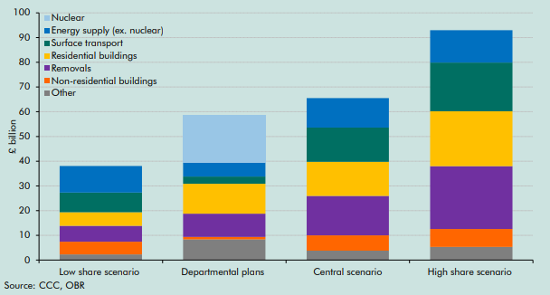

 |  | Low share scenario | Departmental plans | Central scenario | High share scenario
 | Energy supply (ex. nuclear) | 10.7 | 5.6 | 11.9 | 13.1
 | Surface transport | 8.0 | 2.9 | 13.8 | 19.7
 | Residential buildings | 5.5 | 12.1 | 13.8 | 22.2
 | Non-residential buildings | 5.1 | 1.0 | 6.2 | 7.2
 | Removals | 6.4 | 9.4 | 15.9 | 25.4
 | Nuclear | 0.0 | 19.2 | 0.0 | 0.0
 | Other | 2.3 | 8.4 | 3.8 | 5.3

C4.10
Back to contents
 | Chart 4.10: Total revenue lost due to the net zero transition
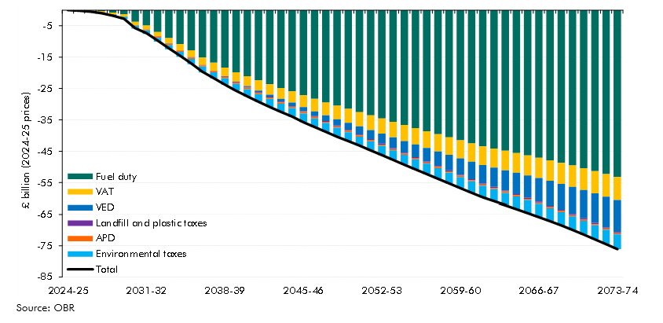

 |  | Fuel duty | VAT | VED | APD | Landfill and plastic taxes | Environmental taxes | Total
 | 2024-25 | 0.0 | 0.0 | 0.0 | 0.0 | 0.0 | 0.0 | 0.0
 | 2025-26 | 0.1 | -0.2 | 0.0 | 0.0 | 0.0 | 0.0 | -0.2
 | 2026-27 | 0.0 | -0.3 | -0.1 | 0.0 | 0.0 | 0.0 | -0.5
 | 2027-28 | -0.3 | -0.4 | -0.2 | 0.0 | 0.0 | 0.0 | -1.0
 | 2028-29 | -0.8 | -0.6 | -0.4 | 0.0 | 0.0 | 0.0 | -1.8
 | 2029-30 | -1.3 | -0.8 | 0.1 | 0.0 | 0.0 | -0.7 | -2.8
 | 2030-31 | -3.7 | -1.1 | 0.2 | -0.1 | -0.1 | -0.9 | -5.7
 | 2031-32 | -4.9 | -1.3 | 0.3 | -0.2 | -0.1 | -1.1 | -7.3
 | 2032-33 | -6.9 | -1.5 | 0.3 | -0.3 | -0.1 | -1.2 | -9.7
 | 2033-34 | -8.9 | -1.7 | 0.3 | -0.3 | -0.1 | -1.4 | -12.2
 | 2034-35 | -10.9 | -2.0 | 0.4 | -0.3 | -0.1 | -1.6 | -14.5
 | 2035-36 | -12.8 | -2.2 | 0.3 | -0.4 | -0.2 | -1.7 | -17.0
 | 2036-37 | -15.1 | -2.4 | 0.2 | -0.4 | -0.2 | -1.9 | -19.7
 | 2037-38 | -16.7 | -2.6 | 0.1 | -0.3 | -0.2 | -2.0 | -21.7
 | 2038-39 | -18.4 | -2.8 | 0.0 | -0.4 | -0.2 | -2.1 | -23.8
 | 2039-40 | -19.8 | -2.9 | -0.2 | -0.4 | -0.2 | -2.2 | -25.7
 | 2040-41 | -21.1 | -3.1 | -0.3 | -0.5 | -0.2 | -2.3 | -27.5
 | 2041-42 | -22.4 | -3.2 | -0.5 | -0.4 | -0.2 | -2.4 | -29.2
 | 2042-43 | -23.6 | -3.4 | -0.7 | -0.5 | -0.2 | -2.5 | -30.9
 | 2043-44 | -24.8 | -3.5 | -0.8 | -0.5 | -0.2 | -2.6 | -32.5
 | 2044-45 | -25.9 | -3.6 | -1.1 | -0.5 | -0.2 | -2.7 | -34.0
 | 2045-46 | -27.2 | -3.8 | -1.3 | -0.5 | -0.2 | -2.7 | -35.7
 | 2046-47 | -28.3 | -4.0 | -1.5 | -0.5 | -0.2 | -2.8 | -37.3
 | 2047-48 | -29.5 | -4.1 | -1.8 | -0.4 | -0.2 | -2.8 | -38.8
 | 2048-49 | -30.5 | -4.3 | -2.1 | -0.5 | -0.3 | -2.8 | -40.4
 | 2049-50 | -31.5 | -4.4 | -2.3 | -0.4 | -0.3 | -2.8 | -41.8
 | 2050-51 | -32.5 | -4.5 | -2.6 | -0.4 | -0.3 | -2.8 | -43.2
 | 2051-52 | -33.6 | -4.7 | -2.9 | -0.4 | -0.3 | -2.9 | -44.7
 | 2052-53 | -34.6 | -4.8 | -3.2 | -0.4 | -0.3 | -3.0 | -46.3
 | 2053-54 | -35.6 | -4.9 | -3.5 | -0.4 | -0.3 | -3.1 | -47.8
 | 2054-55 | -36.6 | -5.1 | -3.8 | -0.4 | -0.3 | -3.1 | -49.3
 | 2055-56 | -37.6 | -5.2 | -4.1 | -0.4 | -0.3 | -3.2 | -50.8
 | 2056-57 | -38.6 | -5.3 | -4.3 | -0.4 | -0.3 | -3.3 | -52.3
 | 2057-58 | -39.6 | -5.5 | -4.6 | -0.4 | -0.3 | -3.4 | -53.8
 | 2058-59 | -40.6 | -5.6 | -4.9 | -0.4 | -0.3 | -3.5 | -55.3
 | 2059-60 | -41.5 | -5.7 | -5.2 | -0.4 | -0.3 | -3.5 | -56.7
 | 2060-61 | -42.5 | -5.8 | -5.6 | -0.4 | -0.3 | -3.6 | -58.2
 | 2061-62 | -43.5 | -6.0 | -5.9 | -0.4 | -0.3 | -3.7 | -59.7
 | 2062-63 | -44.2 | -6.1 | -6.2 | -0.4 | -0.3 | -3.8 | -60.9
 | 2063-64 | -44.9 | -6.2 | -6.5 | -0.4 | -0.3 | -3.8 | -62.1
 | 2064-65 | -45.6 | -6.3 | -6.8 | -0.4 | -0.3 | -3.9 | -63.3
 | 2065-66 | -46.4 | -6.4 | -7.1 | -0.4 | -0.3 | -4.0 | -64.6
 | 2066-67 | -47.1 | -6.5 | -7.4 | -0.4 | -0.3 | -4.1 | -65.8
 | 2067-68 | -47.9 | -6.6 | -7.8 | -0.4 | -0.3 | -4.2 | -67.1
 | 2068-69 | -48.7 | -6.7 | -8.1 | -0.4 | -0.3 | -4.2 | -68.5
 | 2069-70 | -49.6 | -6.8 | -8.5 | -0.4 | -0.4 | -4.3 | -69.9
 | 2070-71 | -50.5 | -6.9 | -8.9 | -0.4 | -0.4 | -4.4 | -71.4
 | 2071-72 | -51.4 | -7.0 | -9.3 | -0.4 | -0.4 | -4.5 | -73.0
 | 2072-73 | -52.3 | -7.2 | -9.7 | -0.4 | -0.4 | -4.6 | -74.5
 | 2073-74 | -53.3 | -7.3 | -10.1 | -0.4 | -0.4 | -4.7 | -76.1

C4.11
Back to contents
 | Chart 4.11: Fiscal costs of the net zero transition

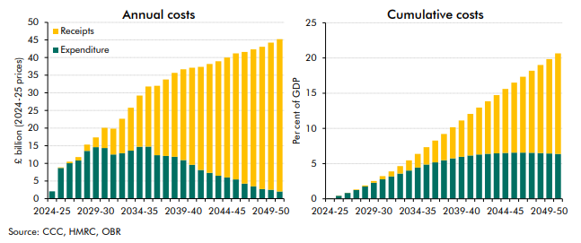

 | Annual costs | 2024-25 | 2025-26 | 2026-27 | 2027-28 | 2028-29 | 2029-30 | 2030-31 | 2031-32 | 2032-33 | 2033-34 | 2034-35 | 2035-36 | 2036-37 | 2037-38 | 2038-39 | 2039-40 | 2040-41 | 2041-42 | 2042-43 | 2043-44 | 2044-45 | 2045-46 | 2046-47 | 2047-48 | 2048-49 | 2049-50 | 2050-51
 | Expenditure | 2 | 9 | 10 | 11 | 14 | 15 | 14 | 13 | 13 | 14 | 15 | 15 | 12 | 12 | 12 | 11 | 10 | 8 | 7 | 7 | 6 | 5 | 4 | 4 | 3 | 3 | 2
 | Receipts | 0 | 0 | 0 | 1 | 2 | 3 | 6 | 7 | 10 | 12 | 15 | 17 | 20 | 22 | 24 | 26 | 28 | 29 | 31 | 32 | 34 | 36 | 37 | 39 | 40 | 42 | 43

 | Per cent of GDP cumulative | 2024-25 | 2025-26 | 2026-27 | 2027-28 | 2028-29 | 2029-30 | 2030-31 | 2031-32 | 2032-33 | 2033-34 | 2034-35 | 2035-36 | 2036-37 | 2037-38 | 2038-39 | 2039-40 | 2040-41 | 2041-42 | 2042-43 | 2043-44 | 2044-45 | 2045-46 | 2046-47 | 2047-48 | 2048-49 | 2049-50 | 2050-51
 | Expenditure | 0 | 0 | 1 | 1 | 2 | 2 | 3 | 3 | 4 | 4 | 4 | 5 | 5 | 5 | 6 | 6 | 6 | 6 | 6 | 6 | 7 | 7 | 7 | 7 | 6 | 6 | 6
 | Receipts | 0 | 0 | 0 | 0 | 0 | 0 | 0 | 1 | 1 | 1 | 2 | 2 | 3 | 4 | 4 | 5 | 6 | 7 | 7 | 8 | 9 | 10 | 11 | 12 | 13 | 13 | 14

C4.12
Back to contents
 | Chart 4.12: Change in cumulative real spending and receipts impacts by 2050-51

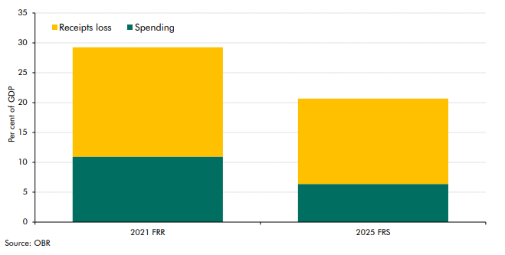

 |  | 2021 FRR | 2025 FRS
 | Spending | 11 | 6
 | Receipts loss | 18 | 14

C4.13
Back to contents
 | Chart 4.13: Annual additional primary borrowing from the combined costs of damage and transition, relative to the 2024 FRS central long-term projection
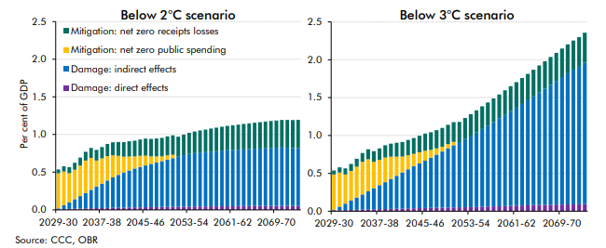

 | Below 2°C | 2029-30 | 2030-31 | 2031-32 | 2032-33 | 2033-34 | 2034-35 | 2035-36 | 2036-37 | 2037-38 | 2038-39 | 2039-40 | 2040-41 | 2041-42 | 2042-43 | 2043-44 | 2044-45 | 2045-46 | 2046-47 | 2047-48 | 2048-49 | 2049-50 | 2050-51 | 2051-52 | 2052-53 | 2053-54 | 2054-55 | 2055-56 | 2056-57 | 2057-58 | 2058-59 | 2059-60 | 2060-61 | 2061-62 | 2062-63 | 2063-64 | 2064-65 | 2065-66 | 2066-67 | 2067-68 | 2068-69 | 2069-70 | 2070-71 | 2071-72 | 2072-73 | 2073-74
 | Mitigation: net zero receipts losses | 0.1 | 0.1 | 0.1 | 0.1 | 0.1 | 0.1 | 0.1 | 0.1 | 0.2 | 0.2 | 0.2 | 0.2 | 0.2 | 0.2 | 0.2 | 0.2 | 0.2 | 0.2 | 0.2 | 0.2 | 0.3 | 0.3 | 0.3 | 0.3 | 0.3 | 0.3 | 0.3 | 0.3 | 0.3 | 0.3 | 0.3 | 0.3 | 0.3 | 0.3 | 0.3 | 0.3 | 0.3 | 0.3 | 0.4 | 0.4 | 0.4 | 0.4 | 0.4 | 0.4 | 0.4
 | Mitigation: net zero public spending | 0.5 | 0.4 | 0.4 | 0.4 | 0.4 | 0.4 | 0.4 | 0.3 | 0.3 | 0.3 | 0.3 | 0.3 | 0.2 | 0.2 | 0.2 | 0.1 | 0.1 | 0.1 | 0.1 | 0.1 | 0.1 | 0.0 | 0.0 | 0.0 | 0.0 | 0.0 | 0.0 | 0.0 | 0.0 | 0.0 | 0.0 | 0.0 | 0.0 | 0.0 | 0.0 | 0.0 | 0.0 | 0.0 | 0.0 | 0.0 | 0.0 | 0.0 | 0.0 | 0.0 | 0.0
 | Damage: direct effects | 0.0 | 0.0 | 0.0 | 0.0 | 0.0 | 0.0 | 0.0 | 0.0 | 0.0 | 0.0 | 0.0 | 0.0 | 0.0 | 0.0 | 0.0 | 0.0 | 0.0 | 0.0 | 0.0 | 0.0 | 0.0 | 0.0 | 0.0 | 0.0 | 0.0 | 0.0 | 0.0 | 0.0 | 0.0 | 0.0 | 0.0 | 0.0 | 0.0 | 0.0 | 0.1 | 0.1 | 0.1 | 0.1 | 0.1 | 0.1 | 0.1 | 0.1 | 0.1 | 0.1 | 0.1
 | Damage: indirect effects | 0.0 | 0.0 | 0.1 | 0.1 | 0.2 | 0.2 | 0.2 | 0.3 | 0.3 | 0.4 | 0.4 | 0.4 | 0.5 | 0.5 | 0.5 | 0.5 | 0.6 | 0.6 | 0.6 | 0.6 | 0.6 | 0.6 | 0.7 | 0.7 | 0.7 | 0.7 | 0.7 | 0.7 | 0.7 | 0.7 | 0.7 | 0.7 | 0.7 | 0.7 | 0.8 | 0.8 | 0.8 | 0.8 | 0.8 | 0.8 | 0.8 | 0.8 | 0.8 | 0.8 | 0.8

 | Below 3°C | 2029-30 | 2030-31 | 2031-32 | 2032-33 | 2033-34 | 2034-35 | 2035-36 | 2036-37 | 2037-38 | 2038-39 | 2039-40 | 2040-41 | 2041-42 | 2042-43 | 2043-44 | 2044-45 | 2045-46 | 2046-47 | 2047-48 | 2048-49 | 2049-50 | 2050-51 | 2051-52 | 2052-53 | 2053-54 | 2054-55 | 2055-56 | 2056-57 | 2057-58 | 2058-59 | 2059-60 | 2060-61 | 2061-62 | 2062-63 | 2063-64 | 2064-65 | 2065-66 | 2066-67 | 2067-68 | 2068-69 | 2069-70 | 2070-71 | 2071-72 | 2072-73 | 2073-74
 | Mitigation: Net zero receipts losses | 0.1 | 0.1 | 0.1 | 0.1 | 0.1 | 0.1 | 0.1 | 0.1 | 0.2 | 0.2 | 0.2 | 0.2 | 0.2 | 0.2 | 0.2 | 0.2 | 0.2 | 0.2 | 0.2 | 0.2 | 0.3 | 0.3 | 0.3 | 0.3 | 0.3 | 0.3 | 0.3 | 0.3 | 0.3 | 0.3 | 0.3 | 0.3 | 0.3 | 0.3 | 0.3 | 0.4 | 0.4 | 0.4 | 0.4 | 0.4 | 0.4 | 0.4 | 0.4 | 0.4 | 0.4
 | Mitigation: Net zero public spending | 0.5 | 0.4 | 0.4 | 0.4 | 0.4 | 0.4 | 0.4 | 0.3 | 0.3 | 0.3 | 0.3 | 0.3 | 0.2 | 0.2 | 0.2 | 0.1 | 0.1 | 0.1 | 0.1 | 0.1 | 0.1 | 0.0 | 0.0 | 0.0 | 0.0 | 0.0 | 0.0 | 0.0 | 0.0 | 0.0 | 0.0 | 0.0 | 0.0 | 0.0 | 0.0 | 0.0 | 0.0 | 0.0 | 0.0 | 0.0 | 0.0 | 0.0 | 0.0 | 0.0 | 0.0
 | Damage: Direct effects | 0.0 | 0.0 | 0.0 | 0.0 | 0.0 | 0.0 | 0.0 | 0.0 | 0.0 | 0.0 | 0.0 | 0.0 | 0.0 | 0.0 | 0.0 | 0.0 | 0.0 | 0.0 | 0.0 | 0.0 | 0.0 | 0.1 | 0.1 | 0.1 | 0.1 | 0.1 | 0.1 | 0.1 | 0.1 | 0.1 | 0.1 | 0.1 | 0.1 | 0.1 | 0.1 | 0.1 | 0.1 | 0.1 | 0.1 | 0.1 | 0.1 | 0.1 | 0.1 | 0.1 | 0.1
 | Damage: Indirect effects | 0.0 | 0.0 | 0.1 | 0.1 | 0.2 | 0.2 | 0.2 | 0.3 | 0.3 | 0.4 | 0.4 | 0.4 | 0.5 | 0.5 | 0.6 | 0.6 | 0.6 | 0.7 | 0.7 | 0.7 | 0.8 | 0.8 | 0.9 | 0.9 | 0.9 | 1.0 | 1.0 | 1.1 | 1.1 | 1.2 | 1.2 | 1.2 | 1.3 | 1.3 | 1.4 | 1.4 | 1.5 | 1.5 | 1.6 | 1.6 | 1.7 | 1.7 | 1.8 | 1.8 | 1.9

C4.14
Back to contents
 | Chart 4.14: Impact on PSND from net zero transition and climate damage
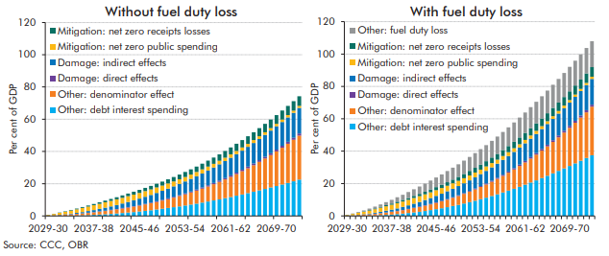

 | Without fuel duty loss | 2029-30 | 2030-31 | 2031-32 | 2032-33 | 2033-34 | 2034-35 | 2035-36 | 2036-37 | 2037-38 | 2038-39 | 2039-40 | 2040-41 | 2041-42 | 2042-43 | 2043-44 | 2044-45 | 2045-46 | 2046-47 | 2047-48 | 2048-49 | 2049-50 | 2050-51 | 2051-52 | 2052-53 | 2053-54 | 2054-55 | 2055-56 | 2056-57 | 2057-58 | 2058-59 | 2059-60 | 2060-61 | 2061-62 | 2062-63 | 2063-64 | 2064-65 | 2065-66 | 2066-67 | 2067-68 | 2068-69 | 2069-70 | 2070-71 | 2071-72 | 2072-73 | 2073-74
 | Overall effect | 1 | 1 | 2 | 3 | 4 | 5 | 5 | 6 | 7 | 8 | 9 | 10 | 12 | 13 | 14 | 15 | 16 | 17 | 19 | 20 | 21 | 23 | 24 | 26 | 27 | 29 | 31 | 32 | 34 | 36 | 38 | 40 | 42 | 45 | 47 | 49 | 52 | 54 | 57 | 60 | 62 | 65 | 68 | 71 | 74
 | Other: denominator effect | 0 | 0 | 0 | 1 | 1 | 1 | 1 | 1 | 2 | 2 | 2 | 2 | 3 | 3 | 3 | 3 | 4 | 4 | 4 | 5 | 5 | 5 | 6 | 6 | 7 | 7 | 8 | 9 | 9 | 10 | 11 | 12 | 13 | 13 | 14 | 15 | 17 | 18 | 19 | 20 | 21 | 23 | 24 | 26 | 27
 | Mitigation: net zero receipts losses | 0 | 0 | 0 | 0 | 0 | 0 | 1 | 1 | 1 | 1 | 1 | 1 | 1 | 1 | 2 | 2 | 2 | 2 | 2 | 2 | 2 | 3 | 3 | 3 | 3 | 3 | 3 | 4 | 4 | 4 | 4 | 4 | 4 | 4 | 5 | 5 | 5 | 5 | 5 | 5 | 5 | 6 | 6 | 6 | 6
 | Mitigation: net zero public spending | 0 | 1 | 1 | 2 | 2 | 2 | 3 | 3 | 3 | 3 | 3 | 3 | 3 | 4 | 4 | 4 | 4 | 3 | 3 | 3 | 3 | 3 | 3 | 3 | 3 | 3 | 3 | 3 | 2 | 2 | 2 | 2 | 2 | 2 | 2 | 2 | 2 | 2 | 2 | 2 | 2 | 1 | 1 | 1 | 1
 | Damage: direct effects | 0 | 0 | 0 | 0 | 0 | 0 | 0 | 0 | 0 | 0 | 0 | 0 | 0 | 0 | 0 | 0 | 0 | 0 | 0 | 0 | 0 | 1 | 1 | 1 | 1 | 1 | 1 | 1 | 1 | 1 | 1 | 1 | 1 | 1 | 1 | 1 | 1 | 1 | 1 | 1 | 1 | 1 | 1 | 1 | 1
 | Damage: indirect effects | 0 | 0 | 0 | 0 | 0 | 1 | 1 | 1 | 1 | 2 | 2 | 2 | 2 | 3 | 3 | 4 | 4 | 4 | 5 | 5 | 6 | 6 | 6 | 7 | 7 | 8 | 8 | 9 | 9 | 10 | 10 | 11 | 11 | 11 | 12 | 12 | 13 | 13 | 14 | 14 | 14 | 15 | 15 | 16 | 16
 | Other: debt interest spending | 0 | 0 | 0 | 0 | 0 | 0 | 0 | 0 | 1 | 1 | 1 | 1 | 1 | 2 | 2 | 2 | 3 | 3 | 4 | 4 | 4 | 5 | 5 | 6 | 6 | 7 | 8 | 8 | 9 | 10 | 10 | 11 | 12 | 13 | 13 | 14 | 15 | 16 | 17 | 18 | 19 | 20 | 20 | 21 | 22

 | With fuel duty loss | 2029-30 | 2030-31 | 2031-32 | 2032-33 | 2033-34 | 2034-35 | 2035-36 | 2036-37 | 2037-38 | 2038-39 | 2039-40 | 2040-41 | 2041-42 | 2042-43 | 2043-44 | 2044-45 | 2045-46 | 2046-47 | 2047-48 | 2048-49 | 2049-50 | 2050-51 | 2051-52 | 2052-53 | 2053-54 | 2054-55 | 2055-56 | 2056-57 | 2057-58 | 2058-59 | 2059-60 | 2060-61 | 2061-62 | 2062-63 | 2063-64 | 2064-65 | 2065-66 | 2066-67 | 2067-68 | 2068-69 | 2069-70 | 2070-71 | 2071-72 | 2072-73 | 2073-74
 | Overall effect | 1 | 1 | 2 | 3 | 4 | 6 | 7 | 8 | 10 | 11 | 13 | 15 | 16 | 18 | 20 | 22 | 24 | 26 | 28 | 30 | 32 | 34 | 36 | 39 | 41 | 44 | 46 | 49 | 52 | 55 | 58 | 61 | 64 | 67 | 70 | 74 | 77 | 81 | 85 | 88 | 92 | 96 | 100 | 104 | 108
 | Other: denominator effect | 0 | 0 | 0 | 1 | 1 | 1 | 1 | 1 | 2 | 2 | 2 | 2 | 3 | 3 | 3 | 4 | 4 | 4 | 5 | 5 | 5 | 6 | 6 | 7 | 8 | 8 | 9 | 10 | 10 | 11 | 12 | 13 | 14 | 15 | 16 | 17 | 18 | 19 | 21 | 22 | 24 | 25 | 27 | 28 | 30
 | Mitigation: net zero receipts losses | 0 | 0 | 0 | 0 | 0 | 0 | 1 | 1 | 1 | 1 | 1 | 1 | 1 | 1 | 2 | 2 | 2 | 2 | 2 | 2 | 2 | 3 | 3 | 3 | 3 | 3 | 3 | 4 | 4 | 4 | 4 | 4 | 4 | 4 | 5 | 5 | 5 | 5 | 5 | 5 | 5 | 6 | 6 | 6 | 6
 | Mitigation: net zero public spending | 0 | 1 | 1 | 2 | 2 | 2 | 3 | 3 | 3 | 3 | 3 | 3 | 3 | 4 | 4 | 4 | 4 | 3 | 3 | 3 | 3 | 3 | 3 | 3 | 3 | 3 | 3 | 3 | 2 | 2 | 2 | 2 | 2 | 2 | 2 | 2 | 2 | 2 | 2 | 2 | 2 | 1 | 1 | 1 | 1
 | Damage: direct effects | 0 | 0 | 0 | 0 | 0 | 0 | 0 | 0 | 0 | 0 | 0 | 0 | 0 | 0 | 0 | 0 | 0 | 0 | 0 | 0 | 0 | 1 | 1 | 1 | 1 | 1 | 1 | 1 | 1 | 1 | 1 | 1 | 1 | 1 | 1 | 1 | 1 | 1 | 1 | 1 | 1 | 1 | 1 | 1 | 1
 | Damage: indirect effects | 0 | 0 | 0 | 0 | 0 | 1 | 1 | 1 | 1 | 2 | 2 | 2 | 2 | 3 | 3 | 4 | 4 | 4 | 5 | 5 | 6 | 6 | 6 | 7 | 7 | 8 | 8 | 9 | 9 | 10 | 10 | 11 | 11 | 11 | 12 | 12 | 13 | 13 | 14 | 14 | 14 | 15 | 15 | 16 | 16
 | Other: debt interest spending | 0 | 0 | 0 | 0 | 0 | 0 | 0 | 1 | 1 | 1 | 1 | 2 | 2 | 3 | 3 | 4 | 4 | 5 | 5 | 6 | 7 | 8 | 8 | 9 | 10 | 11 | 12 | 13 | 14 | 16 | 17 | 18 | 19 | 21 | 22 | 23 | 25 | 26 | 28 | 29 | 31 | 32 | 34 | 36 | 37
 | Other: fuel duty loss | 0 | 0 | 0 | 1 | 1 | 1 | 1 | 2 | 2 | 3 | 3 | 4 | 4 | 5 | 5 | 5 | 6 | 6 | 7 | 7 | 8 | 8 | 9 | 9 | 10 | 10 | 10 | 11 | 11 | 12 | 12 | 12 | 13 | 13 | 13 | 14 | 14 | 14 | 15 | 15 | 15 | 15 | 16 | 16 | 16

C4.15
Back to contents
 | Chart 4.15: Net zero public investment variants

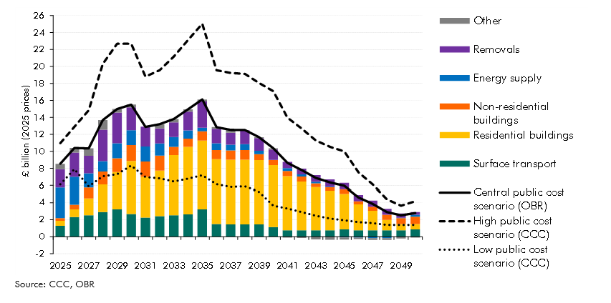

 |  | 2025 | 2026 | 2027 | 2028 | 2029 | 2030 | 2031 | 2032 | 2033 | 2034 | 2035 | 2036 | 2037 | 2038 | 2039 | 2040 | 2041 | 2042 | 2043 | 2044 | 2045 | 2046 | 2047 | 2048 | 2049 | 2050
 | Energy supply | 3.5 | 3.3 | 1.7 | 1.2 | 1.8 | 1.7 | 1.8 | 1.4 | 1.2 | 1.0 | 0.4 | 0.8 | 0.7 | 0.7 | 0.4 | 0.0 | 0.4 | 0.2 | 0.2 | 0.1 | -0.1 | -0.1 | -0.2 | -0.2 | 0.0 | 0.2
 | Residential buildings | 0.6 | 0.9 | 2.0 | 3.2 | 4.4 | 6.2 | 4.7 | 5.3 | 7.0 | 7.9 | 8.1 | 7.6 | 7.6 | 7.6 | 7.5 | 7.3 | 6.3 | 5.7 | 5.0 | 4.7 | 4.2 | 3.1 | 2.3 | 1.2 | 0.8 | 0.6
 | Non-residential buildings | 0.3 | 0.5 | 1.2 | 1.5 | 1.6 | 1.9 | 1.8 | 1.8 | 1.0 | 1.0 | 1.1 | 1.1 | 1.1 | 1.1 | 0.7 | 0.6 | 0.6 | 0.6 | 0.4 | 0.4 | 0.5 | 0.4 | 0.5 | 0.6 | 0.7 | 0.9
 | Surface transport | 1.3 | 2.3 | 2.5 | 2.9 | 3.2 | 2.7 | 2.3 | 2.4 | 2.5 | 2.6 | 3.2 | 1.5 | 1.5 | 1.5 | 1.5 | 1.1 | 0.8 | 0.8 | 0.8 | 0.8 | 0.9 | 0.8 | 0.8 | 0.8 | 0.8 | 0.9
 | Removals | 2.1 | 2.8 | 2.1 | 3.7 | 3.6 | 2.7 | 2.3 | 1.8 | 1.7 | 2.2 | 3.1 | 1.7 | 1.4 | 1.6 | 1.5 | 1.2 | 0.7 | 0.7 | 0.8 | 0.8 | 0.8 | 0.7 | 0.7 | 0.7 | 0.5 | 0.3
 | Other | 0.6 | 0.5 | 0.9 | 1.1 | 0.4 | 0.3 | 0.0 | 0.5 | 0.4 | 0.3 | 0.2 | 0.2 | 0.3 | 0.0 | 0.1 | 0.2 | -0.1 | -0.2 | -0.3 | -0.4 | -0.3 | -0.2 | -0.2 | -0.2 | -0.2 | -0.1
 | Central estimate total | 8.5 | 10.4 | 10.4 | 13.7 | 15.0 | 15.5 | 12.9 | 13.2 | 13.8 | 14.9 | 16.1 | 12.9 | 12.5 | 12.5 | 11.7 | 10.4 | 8.6 | 7.8 | 6.9 | 6.3 | 6.0 | 4.6 | 3.9 | 2.9 | 2.5 | 2.8
 | Low estimate total | 6.1 | 7.9 | 5.9 | 7.1 | 7.3 | 8.3 | 7.0 | 6.8 | 6.5 | 6.8 | 7.2 | 6.1 | 5.8 | 5.9 | 5.3 | 3.7 | 3.3 | 2.9 | 2.5 | 2.1 | 1.9 | 1.7 | 1.6 | 1.4 | 1.4 | 1.4
 | High estimate total | 11.0 | 12.9 | 14.8 | 20.3 | 22.7 | 22.7 | 18.8 | 19.6 | 21.2 | 23.1 | 25.0 | 19.6 | 19.2 | 19.1 | 18.0 | 17.1 | 14.0 | 12.7 | 11.3 | 10.5 | 10.0 | 7.5 | 6.1 | 4.4 | 3.7 | 4.2

C4.16
Back to contents
 | Chart 4.16: Climate change scenarios: PSND differences from baseline in 2073-74

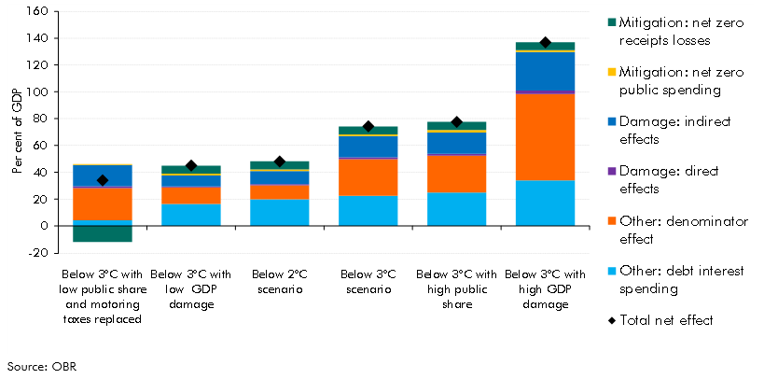

 |  | Below 3°C with low public share and motoring taxes replaced | Below 3°C with low GDP damage | Below 2°C scenario | Below 3°C scenario | Below 3°C with high public share | Below 3°C with high GDP damage
 | Total net effect | 34 | 45 | 48 | 74 | 78 | 137
 | Other: denominator effect | 24 | 13 | 10 | 27 | 28 | 64
 | Mitigation: net zero receipts losses | -12 | 6 | 6 | 6 | 6 | 6
 | Mitigation: net zero public spending | 1 | 1 | 1 | 1 | 2 | 1
 | Damage: direct effects | 1 | 1 | 1 | 1 | 1 | 3
 | Damage: indirect effects | 16 | 8 | 10 | 16 | 16 | 29
 | Other: debt interest spending | 4 | 16 | 20 | 22 | 25 | 34

